Planilha1
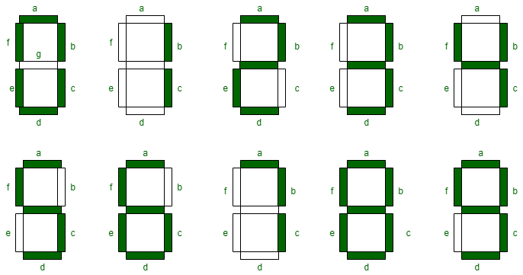
DISP |  | SEQUENCE | PINS |  |  |  |  |  |  |  | D_SLCT: PC7, PA9
 |  |  | A - PB14 | B - PA8 | C - PA10 | D - PC4 | E - PC5 | F - PB4 | G - PB5 | DP - PB3 | END
0 | 0 | A,B,C,D,E,F |  |  |  |  |  |  |  |  | PB14, PA8, PA10, PC4, PC5, PB4
1 | 1 | B,C |  |  |  |  |  |  |  |  | PA8, PA10
2 | 2 | A,B,E,D |  |  |  |  |  |  |  |  | PB14, PA8, PC4, PC5, PB5
3 | 3 | A,B,C,D |  |  |  |  |  |  |  |  | PB14, PA8, PA10, PC4, PB5
4 | 4 | B,C,F,G |  |  |  |  |  |  |  |  | PA8, PA10, PB4, PB5
5 | 5 | A,C,D,F,G |  |  |  |  |  |  |  |  | PB14, PA10, PC4, PB4, PB5
6 | 6 | A,C,D,E,F,G |  |  |  |  |  |  |  |  | PB14, PA10, PC4, PC5, PB4, PB5
7 | 7 | A,B,C |  |  |  |  |  |  |  |  | PB14, PA8, PA10
8 | 8 | A,B,C,D,E,F,G |  |  |  |  |  |  |  |  | PB14, PA8, PA10, PC4, PC5, PB4, PB5
9 | 9 | A,B,C,D,F,G |  |  |  |  |  |  |  |  | PB14, PA8, PA10, PC4, PB4, PB5
10 | A | A,B,C,E,F,G |  |  |  |  |  |  |  |  | PB14, PA8, PA10, PC5, PB4, PB5
11 | B | C,D,E,F,G |  |  |  |  |  |  |  |  | PA10, PC4, PC5, PB4, PB5
12 | C | A,D,E,F |  |  |  |  |  |  |  |  | PB14, PC4, PC5, PB4
13 | D | B,C,D,E,G |  |  |  |  |  |  |  |  | PA8, PA10, PC4, PC5, PB5
14 | E | A,D,E,F,G |  |  |  |  |  |  |  |  | PB14, PC4, PC5, PB4, PB5
15 | F | A,E,F,G |  |  |  |  |  |  |  |  | PB14, PC5, PB4, PB5

